Print Page 1
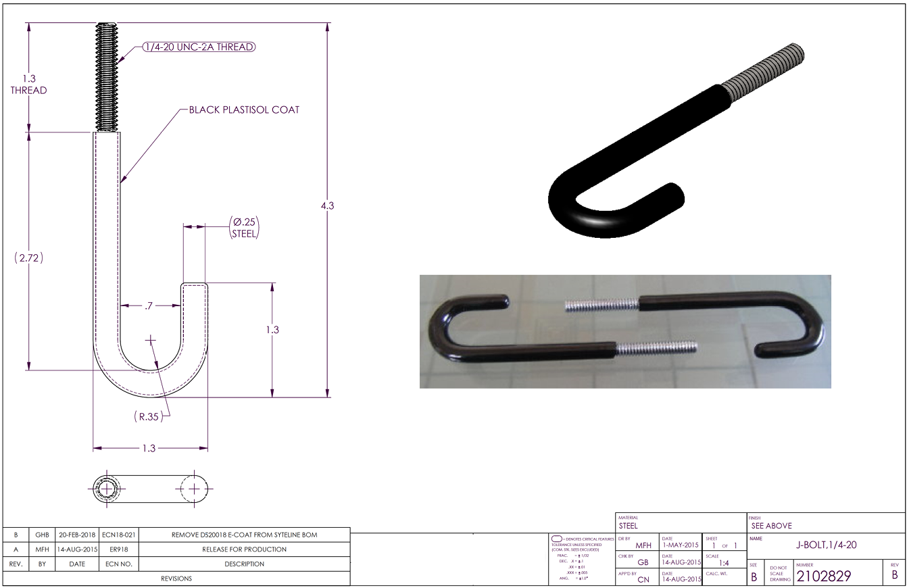

6
8

1

5

4

2

7

3

Tolerance Table
